Sheet1
 | Core Advertising | Other
Alphabet (Google) | 62.7 | 37.3
Amazon | 53 | 47
Facebook | 71.6 | 28.4
Apple | 86 | 14

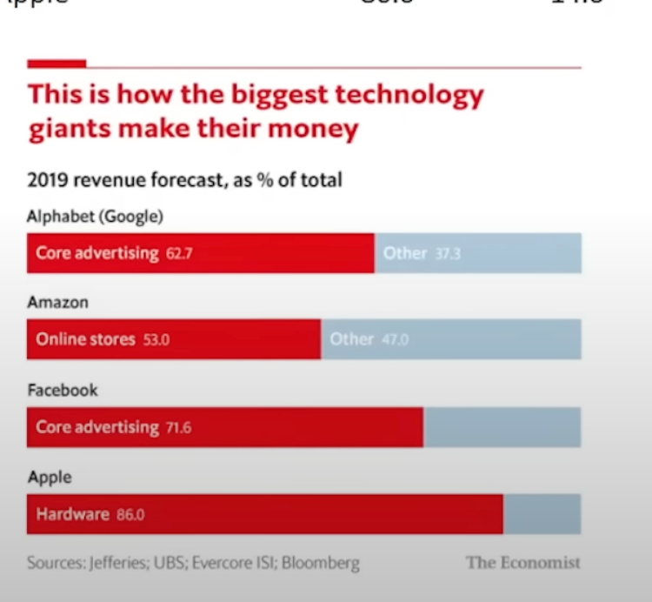
Alphabet (Google)
Amazon
Facebook
Apple
2019 Revenue Forecast, as % of total
This is how the biggest technology giants make their money

Sheet2
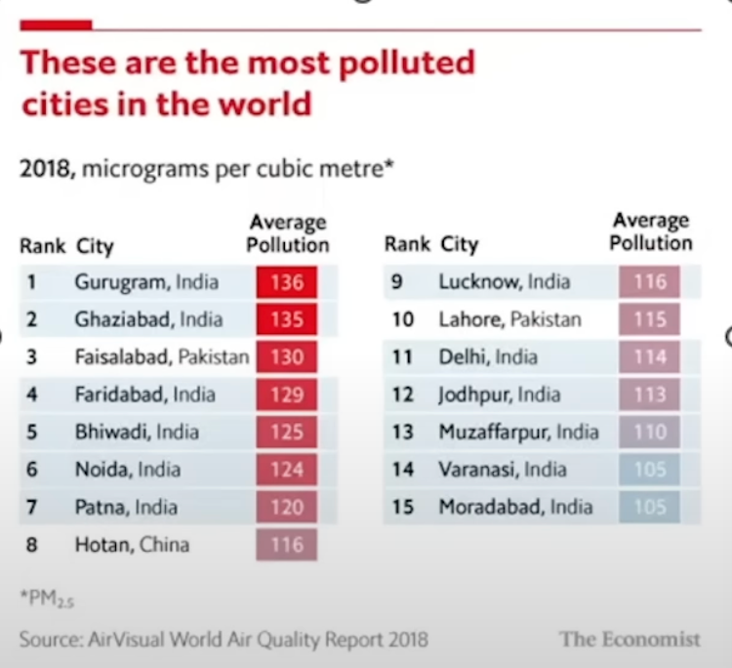
These are the most polluted
cities in the world
Rank | City | Avg. Pollution
1 | Gurugram, India | 136
2 | Ghaziabad, India | 135
2018, micrograms per cubic meter*
3 | Faisalabad, Pakistan | 130
4 | Faridabad, India | 129 | Rank | City | Avg. Pollution
5 | Bhiwandi, India | 125 | 1 | Gurugram, India | 136
6 | Noida, India | 124 | 2 | Ghaziabad, India | 135
7 | Patna, India | 120 | 3 | Faisalabad, Pakistan | 130
8 | Hotan, China | 116 | 4 | Faridabad, India | 129
9 | Lucknow, India | 116 | 5 | Bhiwandi, India | 125
10 | Lahore, Pakistan | 115 | 6 | Noida, India | 124
11 | Delhi, India | 114 | 7 | Patna, India | 120
12 | Jodhpur, India | 113 | 8 | Hotan, China | 116
13 | Muzaffarpur, India | 110 | 9 | Lucknow, India | 116
14 | Varanasi, India | 105 | 10 | Lahore, Pakistan | 115
15 | Moradabad, India | 105 | 11 | Delhi, India | 114
 |  |  | 12 | Jodhpur, India | 113
 |  |  | 13 | Muzaffarpur, India | 110
 |  |  | 14 | Varanasi, India | 105
 |  |  | 15 | Moradabad, India | 105

Sheet3
Country | Jan-Feb | Apr-May | Difference | Rank
Israel | 6.8 | 7.6 | 0.8 | 11
South Africa | 6.6 | 7.2 | 0.6 | 10
Australia | 6.65 | 7.15 | 0.5 | 7
India | 7.05 | 7.55 | 0.5 | 7
United States | 6.75 | 7.3 | 0.55 | 9
Russia | 7.35 | 7.8 | 0.45 | 4
Germany | 6.74 | 7.22 | 0.48 | 5
Britain | 6.57 | 7.05 | 0.48 | 5
France | 6.75 | 7.1 | 0.35 | 3
Japan | 7.35 | 7.68 | 0.33 | 2
South Korea | 7.42 | 7.52 | 0.1 | 1

